MISC 400
Instructions for the Poultry Auction MISC 400
The MISC 400 below is not editable. For the actual form, visit:
 | https://www.uaex.uada.edu/extension-policies/templates/misc.aspx

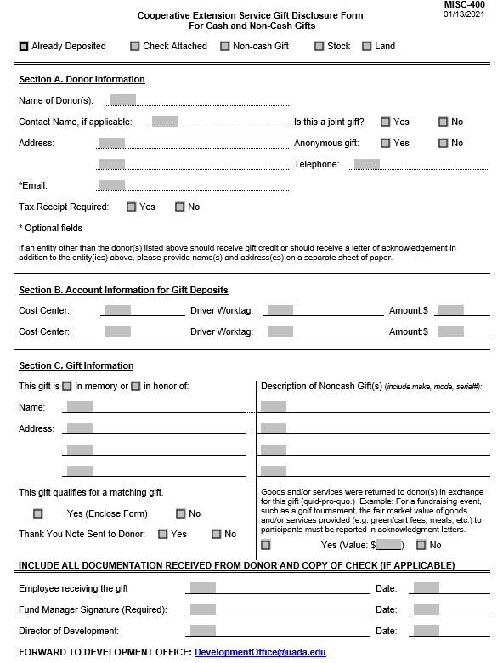
 |  | Instructions:

 |  | Check the box for "Already Deposited"

 |  | For Name of Donor(s), write "Poultry Auction"
 |  | For Contact Name, put "See attached form"
 |  | Leave other Section A fields blank.

 |  | In Section B, enter information about how the proceeds of the poultry auction were deposited, making sure the Total Market Value is coded as Educational Sales and Services and Total Donation Amount is coded as a Gift.

 |  | Leave Section C blank.

 |  | The Employee name can be omitted. The Staff Chair should sign as the Fund Manager.

 |  | The MISC 400 should be emailed to the Development Office with a copy of the Poultry Auction Revenue form. Also send copies to the LRSO Business Office per Step 6 of the Instructions. Retain a copy of both forms for your records.

